Sheet1
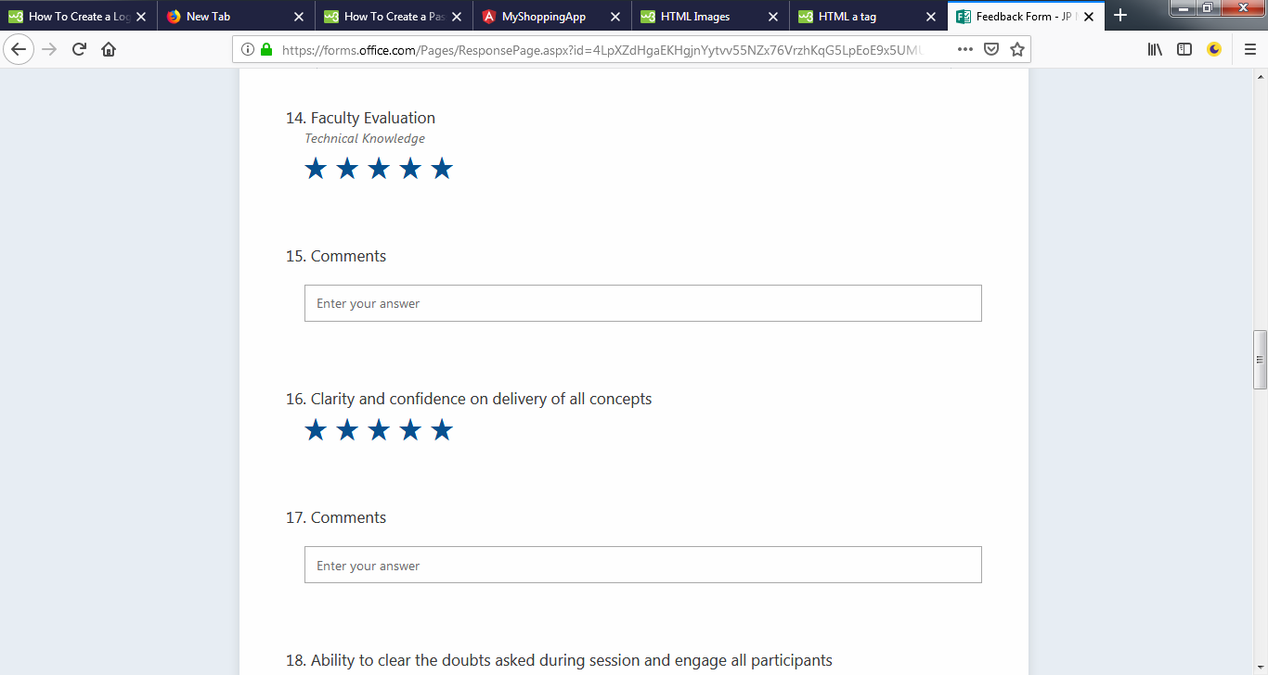

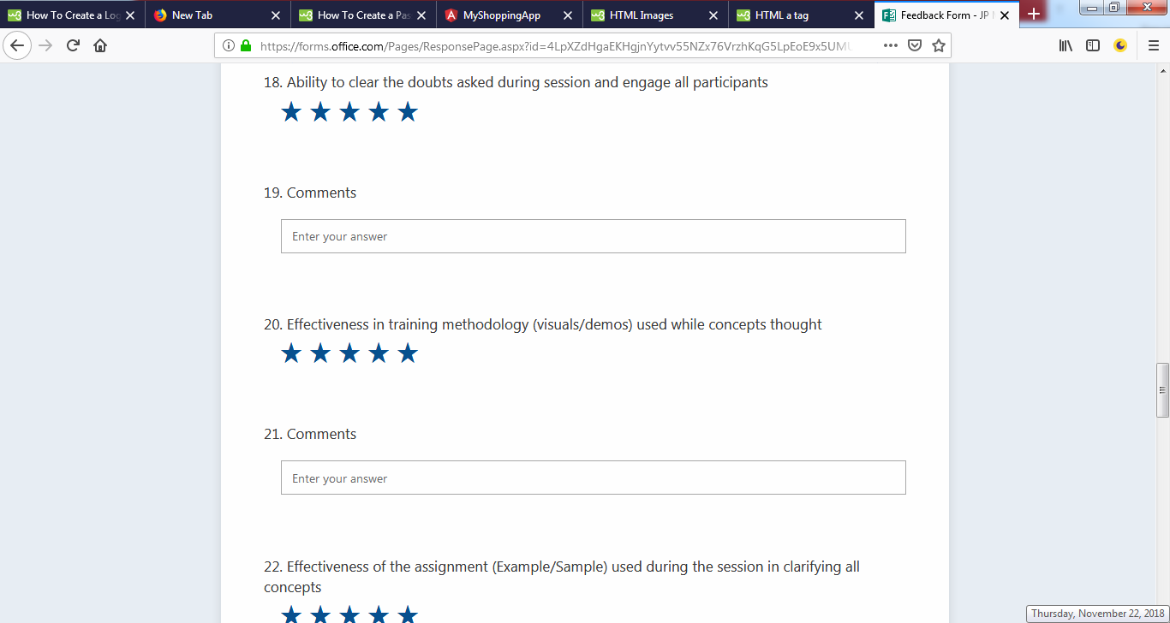

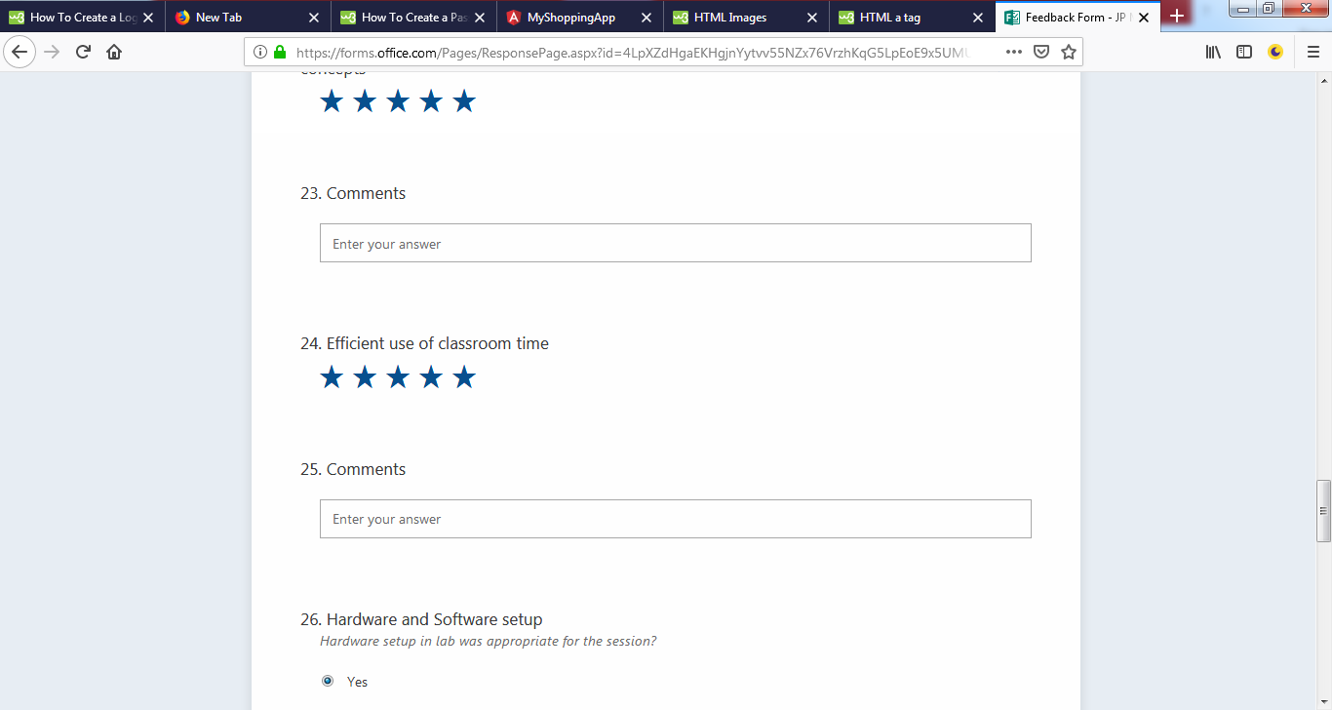

Yes i would definitely recommend this training for next batch but i guess the batch should be assessed based on the knowledge and then segregated in 2 or may be 3 sections,1. Expert 2. Intermediate 3. Fresher and then the content should be customized and delivered accordingly that will help even the trainer to deliver the content and the audience to catch up the with content because if we have mix crowd then it becomes difficult for the freshers (in coding) to catch up with the experts(in coding) pace and the experts also do not have to waste time when the trainer is asking novice questions from the freshers.

time allocated for learning angular was very less we should have got more time to do hands on for different type of projects which would have made us more confident

